Hiearchy View
CLASS: FREQUENCY ANALYZER
high precision measurement instrument used to analyze components, circuits and systems (known as devices under test, or DUT’s) in the frequency domain. |  | 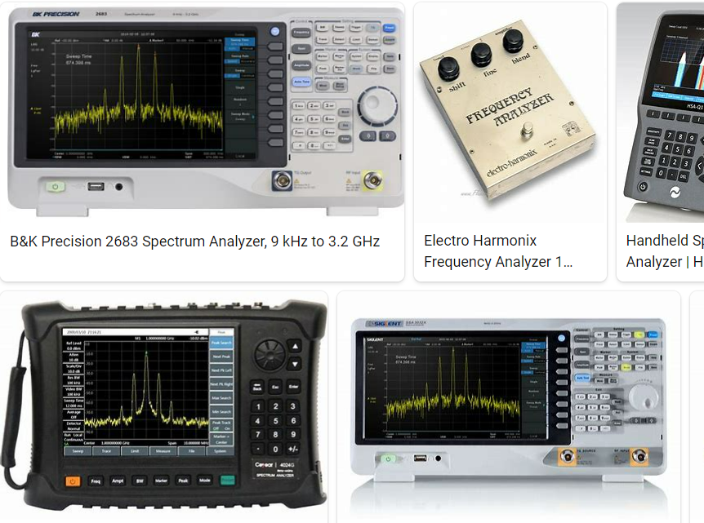
REMOVE | N

PROBLEM_DESC | CAUSE_DESC | REMEDY_DESC
BROKEN/DAMAGED
OTHER PROBLEM
OVERHEATING
POWER-ELEC
STOPPED/SLOWED/POOR OPS
TEMP-CTRL
VIBRATION
Grand Total

